PO - 04716
 |  |  |  | GOODS RECEIVED NOTE

Sender |  |  |  | Received Date
Rudi |  |  |  | 2021-10-19
 |  |  |  | DO No.

 |  |  |  | Ship via |  |  | Plat Number

PO No. | Code | Item | Quantity DO | QC |  |  | Remarks
 |  |  |  | Pass | Reject | Total
PO - 04716 | CS-360-MHB-180 | 360 CUSTOM Hawkeye Fighterwear Signature Muaythai Heavy Bag Black 180 cm | 2 | 2 |  | 2
 |  |  |  | 2 | 0 | 2
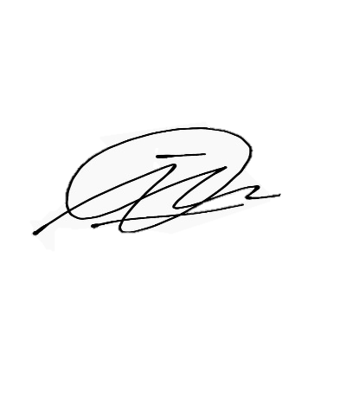

Notes
 |  |  | Received By |  |  | Checked By

 |  |  | Imam D |  |  | Imam D

 |  |  | Date |  |  | Date
 |  |  | 2021-10-19 |  |  | 2021-10-19

